1. Title Page
[Project Name]

Project Name:
Date: 19/01/2024
Analyst Name: Joseph Sharp

Contents:
Population Flow
Consistency checks
Wrangling steps
Column derivations
Visualizations
Recommendations

Sources:

“The Instacart Online Grocery Shopping Dataset 2017”, Accessed from www.instacart.com/datasets/grocery-shopping-2017 via Kaggle on January 20th 2024.
Data used from source:
orders.csv
products.csv
departments.csv
orders_products_prior.csv

Data fabricated by CareerFoundry:
Customers.csv, Accessed from https://careerfoundry.com/en/course/data-immersion/exercise/visualization-python#resources on January 16th 2024

Age based descriptors used in ex 4.10 taken from: https://www.sciencedirect.com/topics/computer-science/chronological-age#:~:text=Adulthood%20is%20usually%20divided%20into,of%20age%20are%20also%20important, Accessed January 19th 2021

Income brackets for ex 4.10 based on US values taken from: https://finance.yahoo.com/news/heres-net-worth-fall-americas-130000535.html?guccounter=1&guce_referrer=aHR0cHM6Ly93d3cuZ29vZ2xlLmNvbS8&guce_referrer_sig=AQAAAGKDEJ_vG1wvnCT12j8k0bWOkF0484LAtecQEoJpE6iS8Aum7hxY6L9RIIAW2O37dfpwX772RUoQJwvsv8ZA9YX_-81lE0UgMQGEzatmbhbMcy_VI_qvS2XJObmI4omZqmz1Mrqjhuc8YCXlKLpPI2bt_jnJpjGQnNhOnv2NdFGJ, Accessed on January 19th 2024

2. Population Flow
Title page

Population flow

Exclusion flag
Condition: max_order < 5
Obervations to be removed: 1440295
Final total count of order_products_all: 30964564

Orders_products_combined
Orders_products_merged
Orders_products_all

Total: 32434489, 12
Total: 32434489, 16
Total:
30964564, 40

1.) The grey boxes in the first row of the population flow represent the original data sets as they were when you downloaded them. In the Total fields you need to add the count of the rows when you imported the data set into Jupyter.
2.) The second row of boxes (coloured) represents the data sets after you manipulated them, e.g., removed missing values and duplicates. In the Total fields you need to add the count of the rows after conducting these operations. This offers a visual oveview of how the data flows throughout the data consistency checks.
3.) The third row, where also the arrows are coloured, represents the merges you performed between the datasets. In the Total fields you need to add the count of the rows in the merged datasets, so that you end up with the final dataset (in the red box). Keep in mind the final dataset should be without exclusions (based on the exclusion flag).

3. Consistency checks
 |  |  |  | Title page
Consistency checks

Dataset | Missing values | Missing values treatment | Duplicates
orders | 206209 (days_since_prior_order) | No Action, flag for first order generated as the NaN represent a client placing their first order with instacart | No Dupes
products | 16 (Product Names variable) | Removed from DF moving forwards | 5 full row duplicates, removed.
orders_products_prior
customers |  |  | no dupes
ords_prods_merge | 5 (order_ frequency) | No action, This new column for order frequency was created based off mean time between orders - the 5 missing values are for clients who have not yet placed a second order

4. Wrangling steps
 |  |  |  |  | Title page
Wrangling steps

Columns dropped | Columns renamed | Columns' type changed | Comment/Reason | Script:
/ | / | order_id | Value converted from int64 to string as the value represents a dimension rather than a measure | ex. 4.4
/ | / | user_id | Value converted from int64 to string as the value represents a dimension rather than a measure | ex. 4.4
eval_set | / | / | column does not contribute to the analysis - removed to avoid confusion and save file space | ex. 4.4
/ | order_dow | / | Variable renamed as 'dow' is not necessarily an intuative representation for 'days_of_the_week' - changed to 'orders_day_of_week' | ex. 4.4
/ | / | first_order | New Variable derived as an indicator of Cx status - converted into 'category' immediately after generation as the column has a finite number of possible string values. | ex. 4.5
Unnamed: 0 | / | / | Values not required as we already have an index generated within python code | ex. 4.6
_merge | / | / | Merge Column generated each time after a merge to validate the success of the output - removed shortly after validation executed. | ex. 4.6
busiest_day | / | / | original value generated during ex walkthrough removed as an amendment to the conditions made which asked to highlight additional high traffic days instead of just the min/max. | ex. 4.7
/ | / | First Name | converted to string as analysis indicated the column had some mixed data types that needed correcting | ex. 4.9
_merge | / | / | Merge Column generated each time after a merge to validate the success of the output - removed shortly after validation executed. | ex. 4.9
'level_1' | / | / | This column was derived from generating the mode of each department per user_id - for users who had 2 or more deparments that were ordered from equally they had additional rows. I removed duplicates during the merge, but kept an original file for marketting/sales to use as a guide. | ex. 4.10
_merge | / | / | Merge Column generated each time after a merge to validate the success of the output - removed shortly after validation executed. | ex. 4.10
/ | department_y | / | changed to 'most_freq_department' after performing the merge. | ex. 4.10
/ | cx_order_frequency | / | column name changed to 'cx_frequency_type' as this is a string value describing the behaviour of a user. | ex. 4.10
/ | department_x | / | changed to simply 'department' - Additional department variables merged in ex 4.10 so each was a signed an alphabetic differentiator. After the necessary renaming of the 2nd variable was completed, this was converted back to just 'department' | ex. 4.10

5. Column derivations
 |  |  |  |  | Title page

Column derivations and aggregations

In this tab you should add tables below that the frequences of flags/label variables that you produced after deriving them. NB: don't do this for continuous variables, only for flags.
Dataset | New column | Column/s it was derived from | Conditions
orders | first_order | days_since_prior_order | If value in 'days_since_prior_order' is null, then use 'first order' otherwise, 'repeat customer'
ords_prods_merge | price_range_loc | prices | if value in prices is <= 5, 'low range product' - if >5 and <= 15 then 'mid-range product' - lastly, if > 15, then 'high range product'
ords_prods_merge | busiest_days flag frequency | orders_days_of_week | if value in orders_days_of_week is == 0 or 1, 'busiest days' - if value is == 4 or 3 'slowest days' - else, 'Regularly busy'
ords_prods_merge | busiest_period_of_day flag frequency | order_hour_of_day | if value in orders_days_of_week is == 10 or 11, 'most orders' - if value is == 4 or 3 'fewest orders' - else, 'average orders'
ords_prods_merge | max_order | user_id & order_number | (['user_id'])['order_number'].transform(np.max) | Continuous
ords_prods_merge | loyalty_flag | max_order | Max order > 40, 'Loyal Customer' - <=40 & >10 , 'Regular Customer' - <=10, 'New Customer'
ords_prods_merge | mean_price | user_id & Prices | groupby(['user_id'])['prices'].transform(np.mean) | Continuous
ords_prods_merge | cx_spend_type | mean_price | mean price >= 10, 'high spender' - <10, 'low spender'
ords_prods_merge | order_frequency | user_id & days-since_prior_order | groupby(['user_id'])['days_since_prior_order'].transform(np.median) | Continuous
ords_prods_merge | cx_order_frequency | order_frequency | order_frequency > 20, 'non-frequent customer' - > 10 & <=20, ' Regular Customer' - <10 = 'frequent customer'
ords_prods_custs | most_freq_department | Mode of ('user_id') ['department'] | .groupby('user_id')['department'].apply(pd.Series.mode).to_frame().reset_index()
ords_prods_custs | department | department_id + department.csv | Populating department name based on ID key
ords_prods_custs | region | state | region populated based on state geography
ords_prods_custs | low_activty (exclusion flag) | max_order | if max_order value <5 'low activty' (no else, the NaNs that result are subsetted out)
ords_prods_custs | age_description | age | <= 39, 'young' - >=40 & <=59, 'middle age' - >=60 'old age'
ords_prods_custs | income_description | income | <=48500 'low income' - >=48501 & <=145499 'middle income' - >=145500 'upper income'
ords_prods_custs | age_income_combined | age_description + income_description | concat of original columns
ords_prods_custs | household_type | fam_status & n_dependants | 4 options, Married / Not Married - <1 dependant / >= dependants
ords_prods_custs | household_income_combined | household_type & income | concat of original columns
ords_prods_custs | low_activty (exclusion flag) | max_order | if max_order value <5 'low activty' (no else, the NaNs that result are subsetted out)

First_order flag frequency |  | busiest_days flag frequency

first_order |  | busiest_days
Repeat Customer 3214874 |  | Regularly busy 12916111
First Order 206209 |  | Busiest days 11864412
Name: count, dtype: int64 |  | Slowest Days 7624336
 |  | Name: count, dtype: int64
price_range_loc flag frequency
 |  | busiest_period_of_day flag frequency
price_range_loc
Mid-range product 21860860 |  | busiest_period_of_day
Low-range product 10126321 |  | Average orders 26802436
High-range product 417678 |  | Most orders 5497900
Name: count, dtype: int64 |  | Fewest orders 104523
 |  | Name: count, dtype: int64
loyalty_flag
 |  | cx_spend_type
loyalty_flag
Regular customer 15876776 |  | cx_spend_type
Loyal customer 10284093 |  | Low spender 31770614
New customer 6243990 |  | High spender 634245
Name: count, dtype: int64 |  | Name: count, dtype: int64

cx_order_frequency |  | region

Frequent customer 21559853 |  | South 10791885
Regular customer 7208564 |  | West 8292913
Non-frequent customer 3636437 |  | Midwest 7597325
nan 5 |  | Northeast 5722736
Name: count, dtype: int64 |  | Name: count, dtype: int64

department |  | low_activity

produce 9479291 |  | nan 30964564
dairy eggs 5398747 |  | Low Activity 1440295
snacks 2887550 |  | Name: count, dtype: int64
beverages 2688123
frozen 2234743 |  | age_description
pantry 1875369
bakery 1172428 |  | Young 10665110
canned goods 1068058 |  | Old Age 10574504
deli 1051249 |  | Middle Age 9724950
dry goods pasta 866627 |  | Name: count, dtype: int64
household 738666
meat seafood 708927 |  | income_description
breakfast 703033
personal care 447572 |  | Middle Income 23128350
babies 423802 |  | Upper Income 4690090
international 269253 |  | Low Income 3146124
alcohol 153696 |  | Name: count, dtype: int64
pets 97716
missing 69145 |  | age_income_combined
other 36291
bulk 34573 |  | Young Middle Income 9001355
Name: count, dtype: int64 |  | Old Age Middle Income 7335887
 |  | Middle Age Middle Income 6791108
household_type |  | Old Age Upper Income 2433118
 |  | Middle Age Upper Income 2152092
Married: w Dependants 21743711 |  | Young Low Income 1558875
Single: No Dependants 7739681 |  | Old Age Low Income 805499
Single: w Dependants 1481172 |  | Middle Age Low Income 781750
Name: count, dtype: int64 |  | Young Upper Income 104880

household_income_combined

Married: w Dependants Middle Income 16107198
Single: No Dependants Middle Income 5761858
Married: w Dependants Upper Income 3485855
Married: w Dependants Low Income 2150658
Single: w Dependants Middle Income 1259294
Single: No Dependants Upper Income 1188906
Single: No Dependants Low Income 788917
Single: w Dependants Low Income 206549
Single: w Dependants Upper Income 15329
Name: count, dtype: int64

6. Visualizations
 |  |  |  | Title page

Visualisations

In this tab you should include all the visualtions from Exercises 4.9 and 4.10, alongside the questions from the project brief that they answer. Include any commentary on the relationship between different variables.

 | Key Questions
1 | The sales team needs to know what the busiest days of the week and hours of the day are (i.e., the days and times with the most orders) in order to schedule ads at times when there are fewer orders.
2 | They also want to know whether there are particular times of the day when people spend the most money, as this might inform the type of products they advertise at these times.
3 | Instacart has a lot of products with different price tags. Marketing and sales want to use simpler price range groupings to help direct their efforts.
4 | Are there certain types of products that are more popular than others? The marketing and sales teams want to know which departments have the highest frequency of product orders. Note: Instacart is a real company that’s made their data available online. However, the contents of this project brief have been fabricated for the purpose of this Achievement. Page 1
5 | The marketing and sales teams are particularly interested in the different types of customers in their system and how their ordering behaviors differ. For example:
 | a) | What’s the distribution among users in regards to their brand loyalty (i.e., how often do they return to Instacart)?
 | b) | Are there differences in ordering habits based on a customer’s loyalty status?
 | c) | Are there differences in ordering habits based on a customer’s region?
 | d) | Is there a connection between age and family status in terms of ordering habits?
 | e) | What different classifications does the demographic information suggest? Age? Income? Certain types of goods? Family status?
 | f) | What differences can you find in ordering habits of different customer profiles? Consider the price of orders, the frequency of orders, the products customers are ordering, and anything else you can think of.

 | 1 | The sales team needs to know what the busiest days of the week and hours of the day are (i.e., the days and times with the most orders) in order to schedule ads at times when there are fewer orders.



fig 1. Busiest hours of the day histogram
fig 2. busiest days of the week

 |  | observations: | Busiest hours of the day are between 9-5. The largest dip is in the middle of the night which is not a surprise as these are typically non waking hours.
 |  |  | The busiest days of the week are Saturday (0) and Sunday (1) - It's not too much of a surprise that users place more orders towards the end of the week as their supplies diminish and/or when they have time to go through the store on their days off rather than having to rush midweek. All days are still relatively busy however.

 | 2 | They also want to know whether there are particular times of the day when people spend the most money, as this might inform the type of products they advertise at these times.
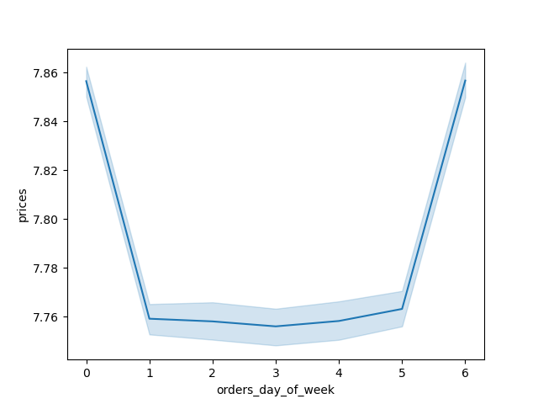
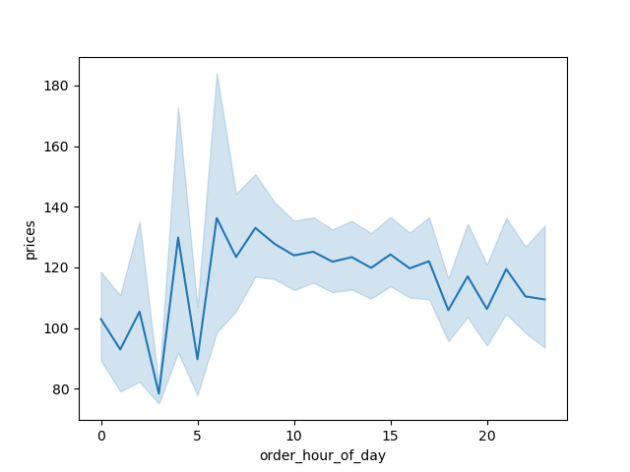
fig 3. Order expenditure by hour
fig 4. Mean product purchase price by day

 |  | observations: | The average order expenditure deviates throughout the day, with early morning orders representing the highest value orders (7am)
 |  |  | After 7am, the value does slowly decline, but it is still generally indicative of high value purchases.

 |  |  | Additionally, as per the second table, users tend to buy higher value goods on the weekend

 | 3 | Instacart has a lot of products with different price tags. Marketing and sales want to use simpler price range groupings to help direct their efforts.

fig 5. product range grouping frequency
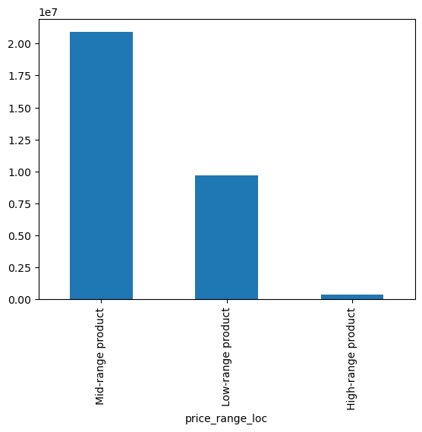

 |  | observations: | Mid range products make up the bulk of the overall products ordered. The groupings are made up of:
 |  |  | <5 = 'low-range'
 |  |  | >=5 & <15 = 'mid-range'
 |  |  | >=15 = 'high-range'

 | 4 | Are there certain types of products that are more popular than others? The marketing and sales teams want to know which departments have the highest frequency of product orders.
fig 6. Department size
fig 7. Prices breakdown by department
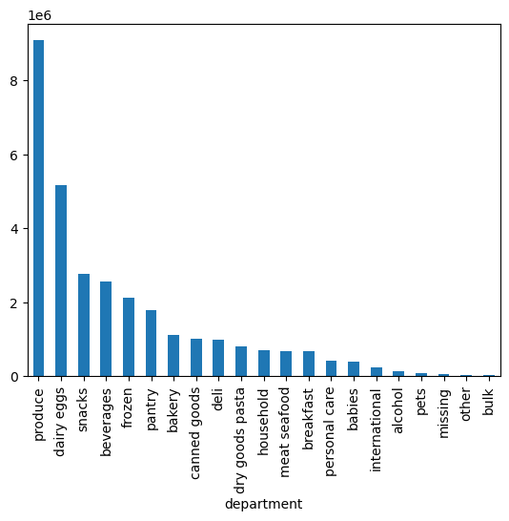
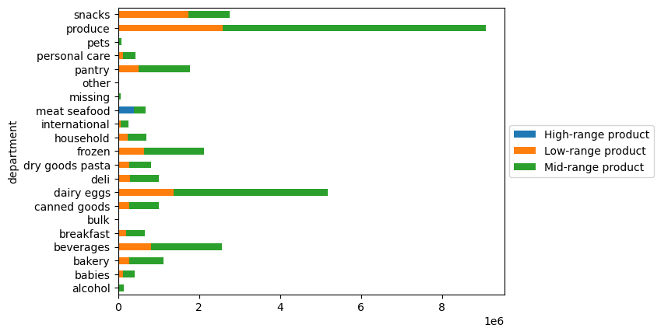

 |  | observations: | Produce is by far the most frequently purchased item - Since instacart is a grocery store It makes sense that not only do they make up the bulk of the products stocked, but also the main products sold.
 |  |  | The pricing segmentation for produce also makes sense - it's a grouping with enough accesibality to lower income groupings based on it's high proportion of low-priced options.
 |  |  | surprisingly, meat and seafood are the only grouping with a visible proportion of high-range products. This is somewhat surprising as other 'luxuries' such as alchohol and even pets don't show the same breakdown ratios.

fig 10. household type / Income - Loyalty
 | 5 | The marketing and sales teams are particularly interested in the different types of customers in their system and how their ordering behaviors differ. For example:
 | a) | What’s the distribution among users in regards to their brand loyalty (i.e., how often do they return to Instacart)?
fig 8. Loyalty grouping frequency
fig 9. Age / Income - Loyalty
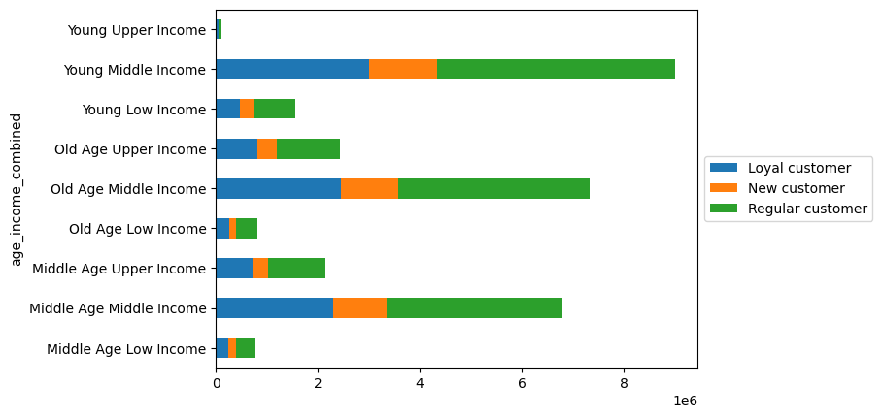
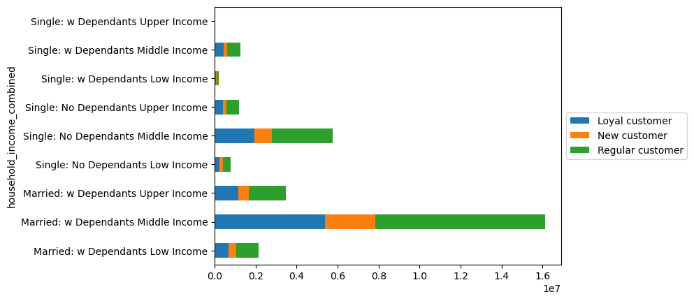
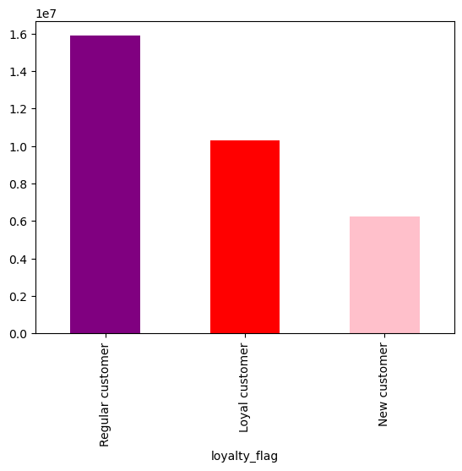

 |  | observations: | Loyalty has been based off the following criteria:
 |  |  | Max order > 40, 'Loyal Customer'
 |  |  | <=40 & >10 , 'Regular Customer'
 |  |  | <=10, 'New Customer'

 |  |  | the general population distribution is mostly as expected - when we bring in our customer profiles based on age/income and household/income we see the same general patterns follow through. (roughly 50% regular customers, with the remainder split in favour of loyal customers (ratios between 30-40% of the remaining share)

 | b) | Are there differences in ordering habits based on a customer’s loyalty status?

fig 11. Spend habits by loyalty type
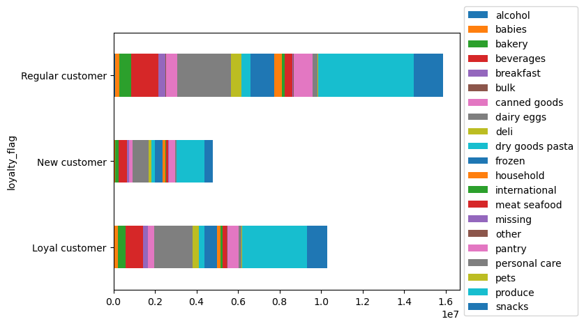
fig 12. Product type purchases by Loyalty
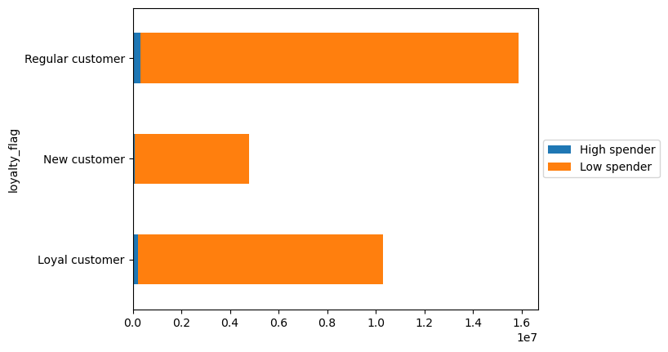

 |  | Observation: | High spenders to not make up a large portion of any grouping - The proportion of new customers with high spend behaviours is extremely negligible.
 |  |  | There also doesn't seem to be any statistical difference when it comes to products purchased by groupings. To this end, I think that the products which make up each groupings orders must remain fairly static.

fig 15. product purchase breakdown by Region
 | c) | Are there differences in ordering habits based on a customer’s region?
fig 13. Customer Profiles breakdown by Region
fig 14. Customer Profiles breakdown by Region
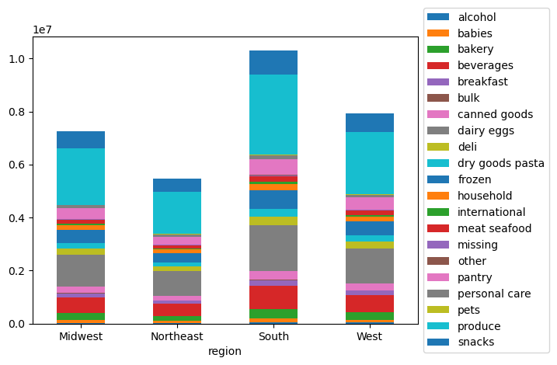
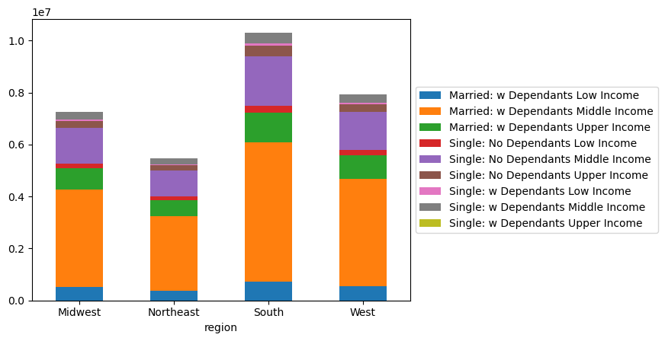
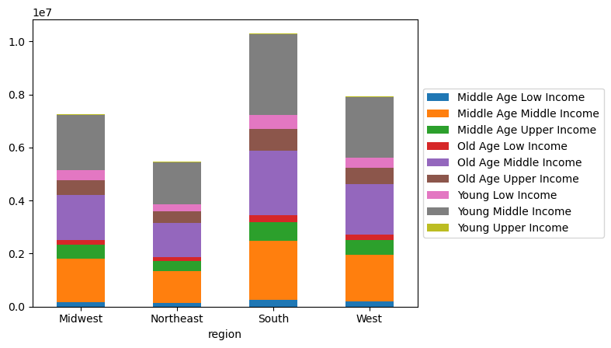

 |  | Observation: | Customer profile distribution across each region doesn't change - alregions are proportional to one another - The southern region serves the largest client base.
 |  |  | The last visualization in this section shows the breakdown in products purchased region to region - They share the same general breakdown that we have come to expect - Produce, dairy and snacks comprising the most frequently purchased items.

 | d) | Is there a connection between age and family status in terms of ordering habits?
 | e) | What different classifications does the demographic information suggest? Age? Income? Certain types of goods? Family status?
 | f) | What differences can you find in ordering habits of different customer profiles? Consider the price of orders, the frequency of orders, the products customers are ordering, and anything else you can think of.

fig 16. household - income frequency
 |  | Customer profile distributions
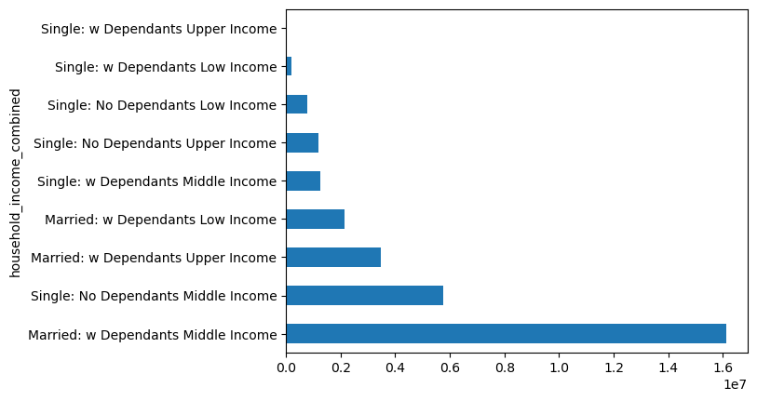
fig 17. age - income frequency
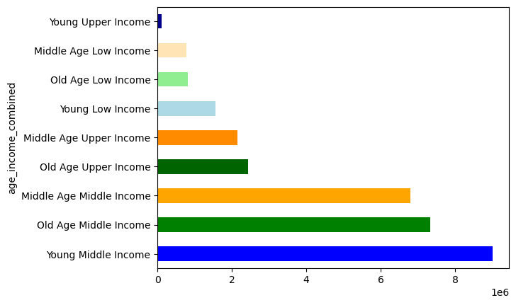

 |  | Observation: | The largest share of instacart users belong to the married w/ dependants middle income. Given that they account for over 50% of the population of the data, charts drawn up will tend to be skewed in the favour of this grouping (it's unlikely that they won't be the largest grouping when creating stacked bar charts showing the breakdown of things like department purchases)

 |  |  | On the other hand, the age - income breakdown is much more evenly split. Middle income individuals comprise the largest overal client base by some margin, but the split between the ages within this group are actually quite consistent.

fig 18. product price bracket type by household type - income
fig 19. product price bracket type by age-income

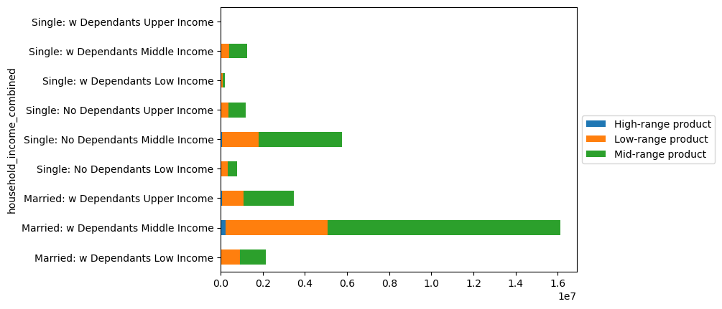
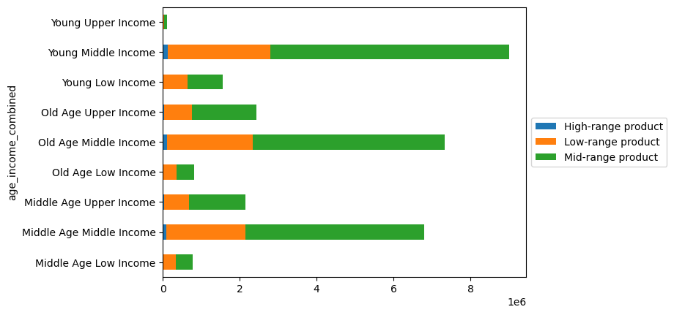

 |  | observation: | Both age related and household type customer profiles share the same ordering habits - there is a strong dependancy on buying regular priced products, with a small proportion of low-range products also being considered - Regardless of income grouping, there is little tendancy to deviate and purchase higher priced goods. Whilst the middle income groups do purchase these items on occasion - it seems that all income brackets aim to buy quantity over quality for their grocery shops

fig 20. spend bracket type by household type - income
fig 21. spend type by age-income

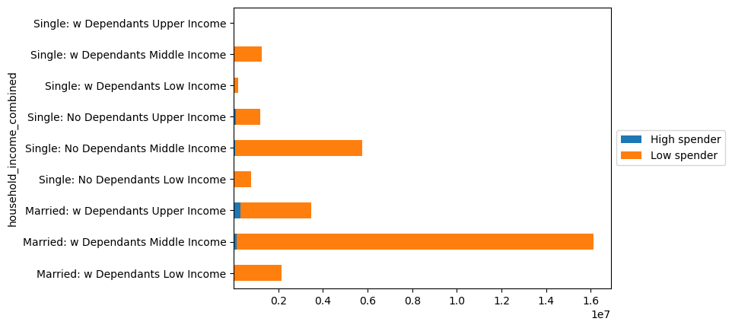
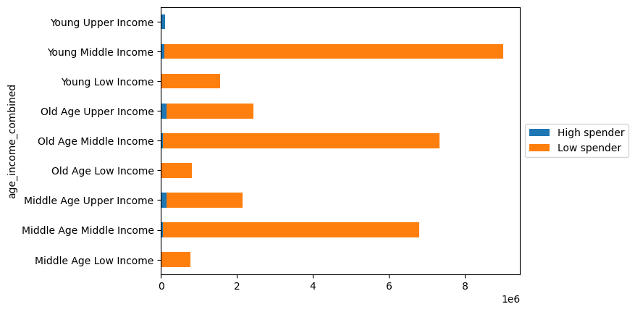

 |  | observation: | Unlike the product price groupings and Cx profile breakdown above, there actually is something that can be said about the spend type breakdown.
 |  |  | There is quite a noticeable shift in the upper income groups of spending more per shop - whilst they may not be buying expensive items, they may on average be buying more items than their counterparts bringing their overall spending habits up.
 |  |  | Young Upper Income is the only cx profiel group that is statistically more likely to be a high spending customer, though this may be due to our data set having such a low percentage of clients who match this criteria that the values are slightly biased.

fig 22. product department breakdown by household type - income
fig 23. product department breakdown by age-income

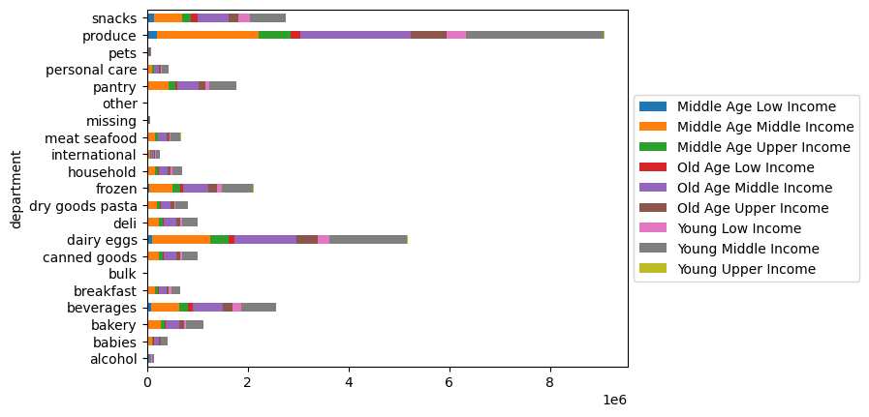
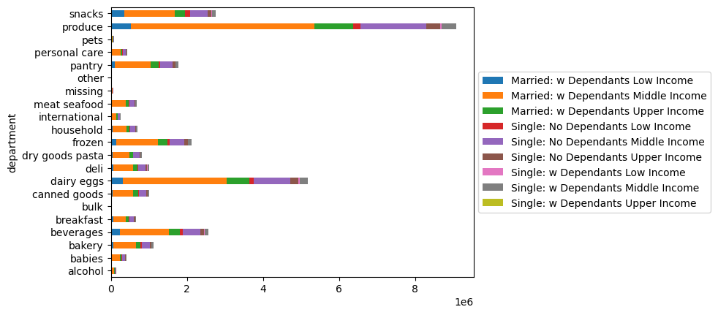

 |  | observation: | The breakdown of products bought by each grouping doesn't provide any information that we didn't already know since the bar plot follows the same proportions as we have come to expect per department.
 |  |  | My honest take is that we can't ensure a marketting program aimed at a particular customer profile is going to yield significant results. (the results would be proportionally the same, regardless of grouping.

fig 24. average order spend by household type - income
fig 25. average order spend by household type - income

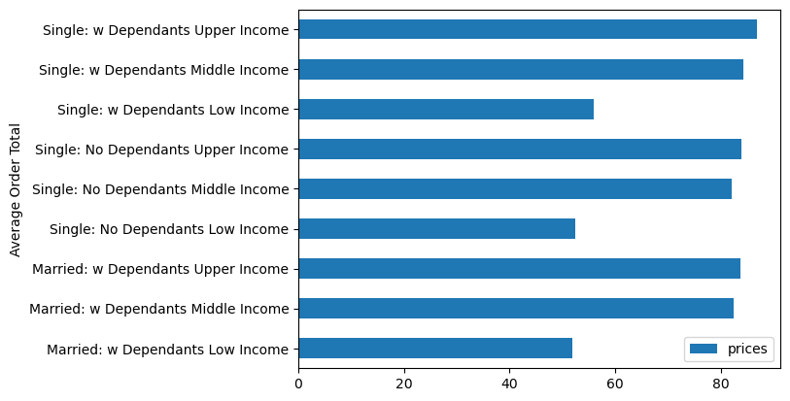
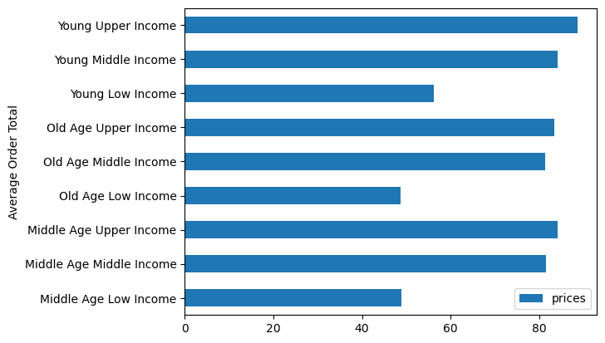

fig 26. order frequency by household type - income
fig 27. order frequency by age - income

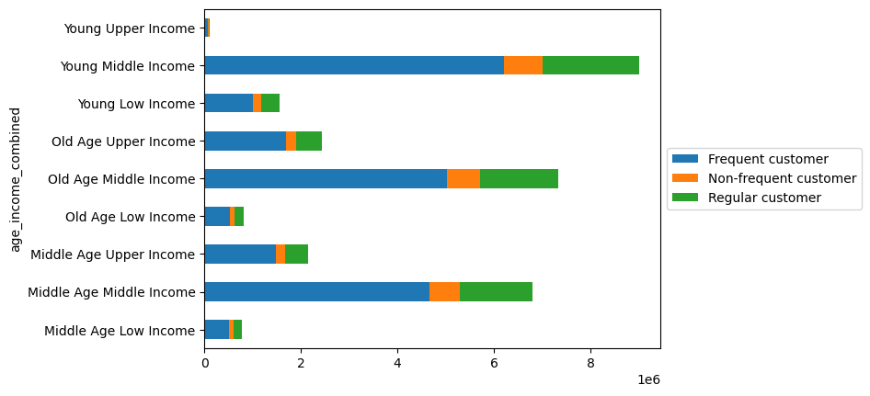
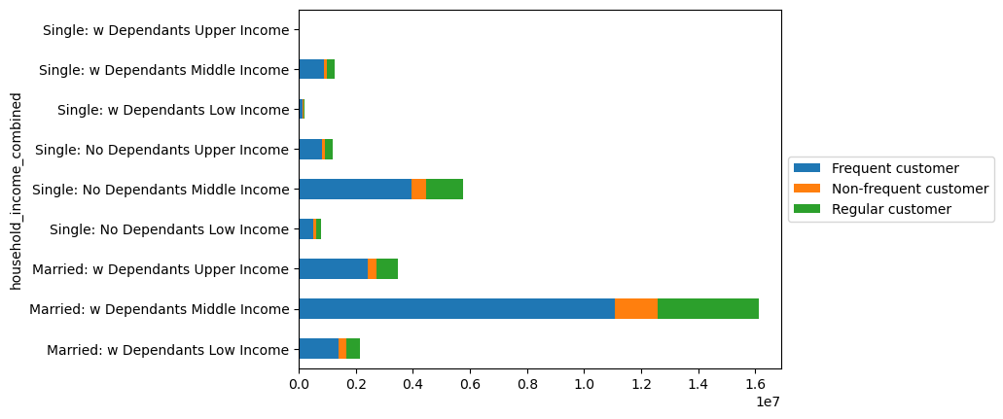

 |  | observation: | On average, regardless of household or age, a user who is defined as middle or upper income will spend $30 more per shop than those defined as low income.
 |  |  | Given that these middle income groupings make up the lion share of the customer profiles, and that the groupings have a significant proportion of their user bases defined as 'frequent' customers (based on days between orders). This is fantastic for instacart because it means that their is assumption that for the average client within these groups, they will be spending in the region of $80 everytime they shop and they will need to revisit instacart within a 10 day period.

7. Recommendations
 |  |  |  | Title page

Recommendations

In this tab you should include any recommendations you would made to Instcart in terms of their marketing strategy based on the questions posed in the brief. Every key question has been covered in the Tasks of the Exercises - here you need to add an item - a visualisation or table/crosstable that is showing the answer in the data, acompanied by a comment from you. Please, list the questions below and add the answer underneath.

Question # | Question | relevant figure(s) | Recommendation / Comment
1 | The sales team needs to know what the busiest days of the week and hours of the day are (i.e., the days and times with the most orders) in order to schedule ads at times when there are fewer orders. | fig 1. / fig 2. | There are fewer orders placed on tuesdays and wednesdays. From an hourly viewpoint, order quantities dip from around 5:00pm and pick back up again after 8-9:00am. Ads should be scheduled on these days and hours
2 | They also want to know whether there are particular times of the day when people spend the most money, as this might inform the type of products they advertise at these times. | fig 3. / fig 4. | Order values are at their highest at around 7-8am and continue to stay within $20 of the peak ($140) up until 5:00pm. The mean product purchased price over the weekend increases by roughly 10 cents. Clients may be more susceptible to adverts showing higher priced goods towards the weekends.
3 | Instacart has a lot of products with different price tags. Marketing and sales want to use simpler price range groupings to help direct their efforts. | fig 5. | bar chart provided showing the breakdown of the requested groupings.
4 | Are there certain types of products that are more popular than others? The marketing and sales teams want to know which departments have the highest frequency of product orders. | fig 6. / fig 7. | Produce is the largest contributor to purchased products. This is followed by dairy/ eggs and then snacks. The majority of products in these groupings are categorized as low or mid range (higher % of mid-range) Meat & Seafood are the only groupings where mid to high range products make up the products bought - when it comes to meat and seafood there is a tendency for individuals to value quality, or for their to not be a cheaper alternative.
5 | The marketing and sales teams are particularly interested in the different types of customers in their system and how their ordering behaviors differ. For example: | fig 16. fig 17. | The customer profiles used are a combination of age and income, followed by household type (married/single)(n. of dependants) and income. The frequency of these groupings has been shown The largest share of instacart users belong to the married w/ dependants middle income. Accounting for over 50% of the population of the data. On the other hand, the age - income breakdown is much more evenly split. Middle income individuals comprise the largest overal client base by some margin, but the split between the ages within this group are actually quite consistent.
a) | What’s the distribution among users in regards to their brand loyalty (i.e., how often do they return to Instacart)? | fig 9. / fig 10. | The general population distribution is mostly as expected - when we bring in our customer profiles based on age/income and household/income we see the same general patterns follow through. (roughly 50% regular customers, with the remainder split in favour of loyal customers (ratios between 30-40% of the remaining share)
b) | Are there differences in ordering habits based on a customer’s loyalty status? | fig 11. / fig 12. | regardless of loyalty type, customers have a tendancy to be classified as low spenders. The distribution of product types purchased is practically identical. 'Regular customers' make up the bulk of the loyalty groupings.
c) | Are there differences in ordering habits based on a customer’s region? | fig 13. / fig 14. / fig 15. | regional breakdowns don't seem to impact ordering habits. The same proportion of customer profile groupings are present in each region, and the proportion of each product type and department remain consistent aswell. Whilst the region classified as the 'South' represents the largest region for Instacart, the customers in that region don't have a tendancy to buy different products to any other.
d) | Is there a connection between age and family status in terms of ordering habits? | fig 18. / fig 19. | Both age related and household type customer profiles share the same ordering habits - there is a strong dependancy on buying regular priced products, with a small proportion of low-range products also being considered - Regardless of income grouping, there is little tendancy to deviate and purchase higher priced goods. Whilst the middle income groups do purchase these items on occasion - it seems that all income brackets aim to buy quantity over quality for their grocery shops. (ordering habits are also tied in to order prices and frequency which have been discussed below in more depth.
e) | What different classifications does the demographic information suggest? Age? Income? Certain types of goods? Family status? | fig 20. / fig 21. | Unlike the product price groupings and Cx profile breakdown above, there actually is something that can be said about the spend type breakdown. There is quite a noticeable shift in the upper income groups of spending more per shop - whilst they may not be buying expensive items, they may on average be buying more items than their counterparts bringing their overall spending habits up. Young Upper Income is the only cx profile group that is statistically more likely to be a high spending customer, though this may be due to our data set having such a low percentage of clients who match this criteria that the values are slightly biased.
f) | What differences can you find in ordering habits of different customer profiles? Consider the price of orders, the frequency of orders, the products customers are ordering, and anything else you can think of. | fig 22. / fig 23. / fig 24. / fig 25. / fig 26. / fig 27. | The products ordered by each groupings don't really change - proportionally, each grouping appears to buy the same quantity of products from each department. What can be discerned from this data is that income groups don't fully impact the products bought, but do impact the overall amount spent. The average order spend for upper and middle income groups is around $30 higher than those classified as 'low'. Since I can't recommend a tailored marketting approach per customer profile type, I've instead created a file that highlights the prefered department per client. These clients can then be grouped together and have marketting materials sent to them accordingly. (i.e, a snack item went on sale and client x buys snacks more than any other product, marketting should be sure to notify the client of the discount/promotion.) Tailoring marketting by client rather than grouping should help maximase marketting outreach conversion. This file can be found bundled into the data folder as 'favourite_department_by_user.csv', or as it's own column in the main data file labelled as 'most_freq_department'. Given that these middle income groupings make up the lion share of the customer profiles, and that the groupings have a significant proportion of their user bases defined as 'frequent' customers (based on days between orders). This is fantastic for instacart because it means that their is assumption that for the average client within these groups, they will be spending in the region of $80 everytime they shop and they will need to revisit instacart within a 10 day period.

